Request 1
India
Australia
Japan
South Korea
Indonesia
Bangladesh
Philippines
New ZeaLand
market | Visualization :-
India
Indonesia
Japan
Philiphines
South Korea
Australia
Newzealand
Bangladesh

Request 2
unique_products_2020 | unique_products_2021 | percentage_chg
245 | 334 | 36.33

Request 3
segment | Count_of_Product
Peripherals | 84 | Visualization :-
Accessories | 116
Notebook | 129
Desktop | 32
Storage | 27
Networking | 9

Request 4
Increase in unique products in 2021 vs 2020
segment | product_count_2020 | product_count_2021 | difference
Accessories | 69 | 103 | 34 | Visualization :-
Desktop | 7 | 22 | 15
Networking | 6 | 9 | 3
Notebook | 92 | 108 | 16
Peripherals | 59 | 75 | 16
Storage | 12 | 17 | 5

Request 5
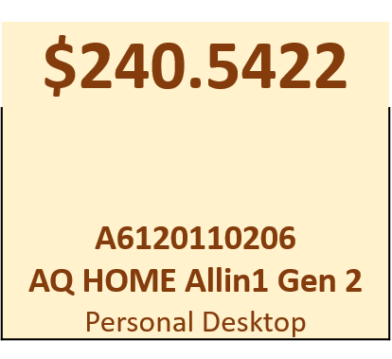
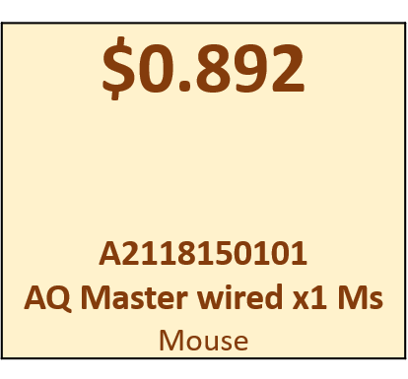

Products having the highest and lowest manufacturing costs
product_code | product | manufacturing_cost
A6120110206 | AQ HOME Allin1 Gen 2 | 240.5364
A2118150101 | AQ Master wired x1 Ms | 0.892

Request 6
customer_code | customer | average_discount_percentage
90002009 | Flipkart | 30.83% | Visualization :-
90002006 | Viveks | 30.38%
90002003 | Ezone | 30.28%
90002002 | Croma | 30.25%
90002016 | Amazon | 29.33%

Request 7
Month | fiscal_year | Gross_sales_Amount
September (2019) | 2020 | 9.1M | Visualization :-
October (2019) | 2020 | 10.4M
November (2019) | 2020 | 15.2M
December (2019) | 2020 | 9.8M
January (2020) | 2020 | 9.6M
February (2020) | 2020 | 8.1M
March (2020) | 2020 | 0.8M
April (2020) | 2020 | 0.8M
May (2020) | 2020 | 1.6M
June (2020) | 2020 | 3.4M
July (2020) | 2020 | 5.2M
August (2020) | 2020 | 5.6M
September (2020) | 2021 | 19.5M
October (2020) | 2021 | 21.0M
November (2020) | 2021 | 32.2M
December (2020) | 2021 | 20.4M
January (2021) | 2021 | 19.6M
February (2021) | 2021 | 16.0M
March (2021) | 2021 | 19.1M
April (2021) | 2021 | 11.5M
May (2021) | 2021 | 19.2M
June (2021) | 2021 | 15.5M
July (2021) | 2021 | 19.0M
August (2021) | 2021 | 11.3M

Request 8
Quarters | total_sold_quantity
Q1 | 7.0M | Visualization :-
Q2 | 6.6M
Q3 | 2.1M
Q4 | 5.0M

Request 9
Percentage
channel | Gross_sales_mln | percentage
Retailer | 1924.17 M | 73.22% | Visualization :-
Direct | 406.69 M | 15.48%
Distributor | 297.18 M | 11.31%

Request 10
division | product_code | product | total_sold_quantity | Rank_Order
N & S | A6720160103 | AQ Pen Drive 2 IN 1 | 701373 | 1
N & S | A6818160202 | AQ Pen Drive DRC | 688003 | 2
N & S | A6819160203 | AQ Pen Drive DRC | 676245 | 3
P & A | A2319150302 | AQ Gamers Ms | 428498 | 1
P & A | A2520150501 | AQ Maxima Ms | 419865 | 2
P & A | A2520150504 | AQ Maxima Ms | 419471 | 3
PC | A4218110202 | AQ Digit | 17434 | 1
PC | A4319110306 | AQ Velocity | 17280 | 2
PC | A4218110208 | AQ Digit | 17275 | 3
N&A Division
AQ Pen Drive 2 IN 1 | 701.4 K
AQ Pen Drive DRC | 688.0 K
AQ Pen Drive DRC | 676.2 K
P&A Division
AQ Gamers Ms | 428.5 K
AQ Maxima Ms | 419.9 K
AQ Maxima Ms | 419.5 K
PC Division
AQ Digit | 17.4 K
AQ Velocity | 17.3 K
AQ Digit | 17.3 K

